Product Portfolio Management Ma
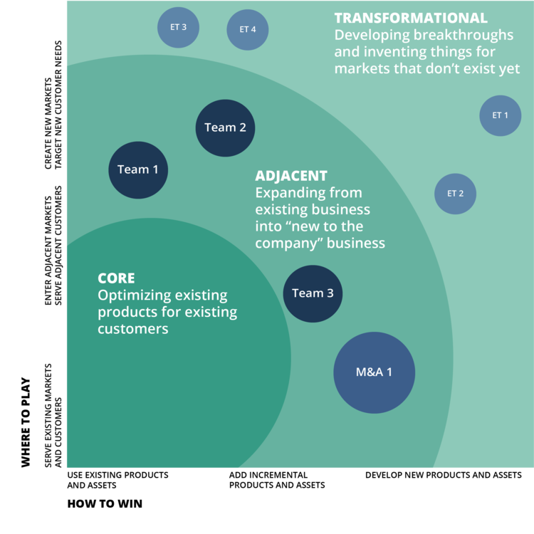
How to Apply the Tool:
• Diagraming new product investments along market and product risk dimensions.
• Displays the relative investment in the various types of initiatives the key technologies at the highest levels.
• Adjust the portfolio according to its strategy and risk tolerance element displayed.
• According to recent research, a stable company in a mature industry might allocate 70% for Core projects, 20% for Adjacent projects and 10% for Transformative products.
• A startup might have 40% invested in the Core, 40% in Adjacent, and 20% in Transformational initiatives.
• Tailor the ideal investment profile to your company’s type, its maturity, and its appetite for risk.
• Product or market risk are not the only possible dimensions. Modify the plot to reflect the dimensions that are most important to your company’s growth.

Where to Win

 |  | Core | 70%
 |  | Adjacent | 20%
 |  | Transformational | 10%

 |  | Program | How | Where | Invest
 |  | T 1 | 30% | 90% | 2%
 | Transformational | T 2 | 40% | 87% | 2%
 |  | T 3 | 95% | 75% | 2%
 |  | T 4 | 85% | 60% | 4%
 |  | A 1 | 25% | 40% | 10%
 | Adjacent | A 2 | 20% | 50% | 5%
 |  | A 3 | 55% | 35% | 3%
 |  | M&A 1 | 70% | 20% | 3%
 | Core | C 1 | 10% | 10% | 70%
 |  | Total |  |  | 100%

Graphics
 | Market Risk (L,M,H) | Product Risk (L, M, H)
Core Products
Adjacent Products
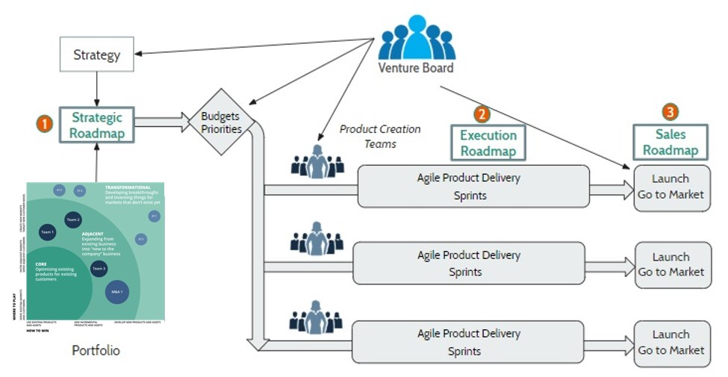
Transformational Products

